Sheet1
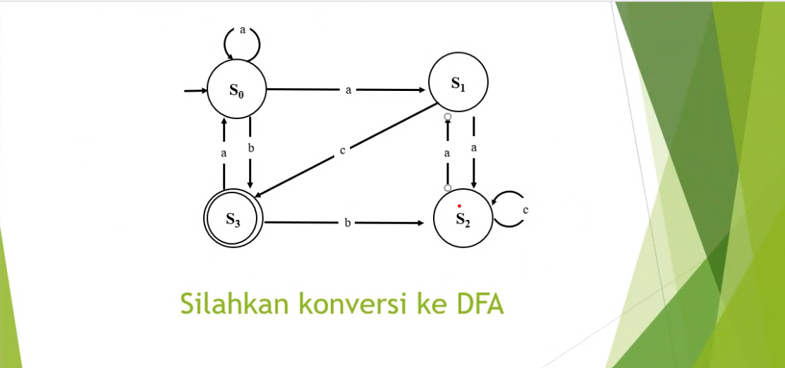
TRANSISI | a | b | c |  | TRANSISI | a | b | c
->s0 | {s0,s1} | s3 | ⦰ |  | ->s0 | s4 | s3 | ⦰
s1 | s2 | ⦰ | s3 |  | s1 | s2 | ⦰ | s3
s2 | s1 | ⦰ | s2 | -> | s2 | s1 | ⦰ | s2
*s3 | s0 | s2 | ⦰ |  | *s3 | s0 | s2 | ⦰
{s0,s1} | {s0,s1,s2} | s3 | s3 |  | s4 | s5 | s3 | s3
{s0,s1,s2} | {s0,s1,s2} | s3 | {s2,s3} |  | s5 | s5 | s3 | s6
*{s2,s3} | {s0,s1} | s2 | s2 |  | *s6 | s4 | s2 | s2
⦰ | ⦰ | ⦰ | ⦰ |  | ⦰ | ⦰ | ⦰ | ⦰
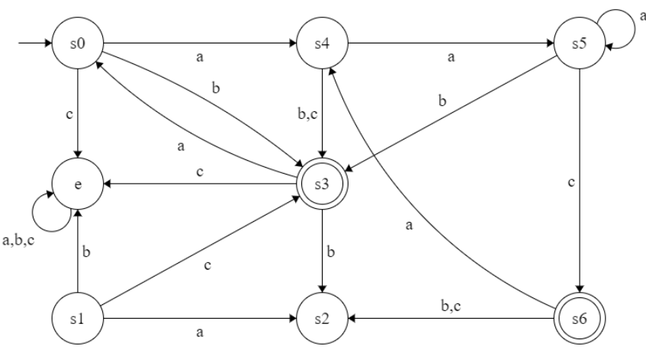

 |  |  |  |  |  |  |  |  | T

T | a | b | c
s1 | s2 | s2 | s1
s2 | s3 | s3 | s3
s3 | s1 | s1 | s1

NDFA
State | {s1,s2,s3}
Token | {a,b,c}
S | s1
F | {s2, s3}
Fungsi T | T | a | b | c
 | ->s1 | s4 | s2 | s1
 | *s2 | s3 | e | s3
 | *s3 | e | s2 | e
 | *s4 | s3 | s2 | s3
 | e | e | e | e

